Tool installing
1.1 Install all these softwares into your PC:

1 | TortoiseSVN | \\sai-data01\Softwares\Development\Subversion\TortoiseSVN
2 | BeyondCompare | \\sai-data01\Softwares\Development\Compare\BeyondCompare
3 | FreeCommander | \\sai-data01\Softwares\Utility\FileManager
4 | Notepad++ | \\sai-data01\Softwares\Development\CodeEditor\Notepad++
5 | Visual C++ Express | \\sai-data01\Softwares\Development\IDE\VS2008Express\VCExpress
6 | Other tools | https://wiki-sai.gameloft.org/index.php/Richgame2_beginner_guide | Note: while installing cygwin, please read notes below

Note to Cygwin: You can do one of 2 below ways:

1. Install from source (not recommended):
 | If you would like to new install, you have to choose "Installed" insstead of "Default" section
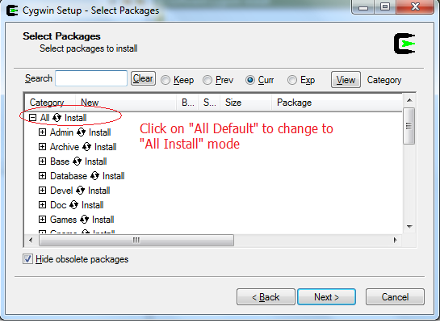

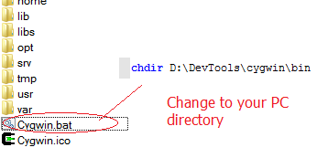
2. Copy form others' PC (recommended):
 | If you don't want to install, just copy from my PC (\\sa2lap0008\DevTools\Cygwin) to your PC (C:\DevTools\Cygwin) to use
 | Then, configure

 | And add to PathEnvironment
 |  | My Computer -> Properties -> Advance System Settings
 |  | Add: C:\DevTools\cygwin;C:\DevTools\cygwin\bin (note to correct the path as your PC path)
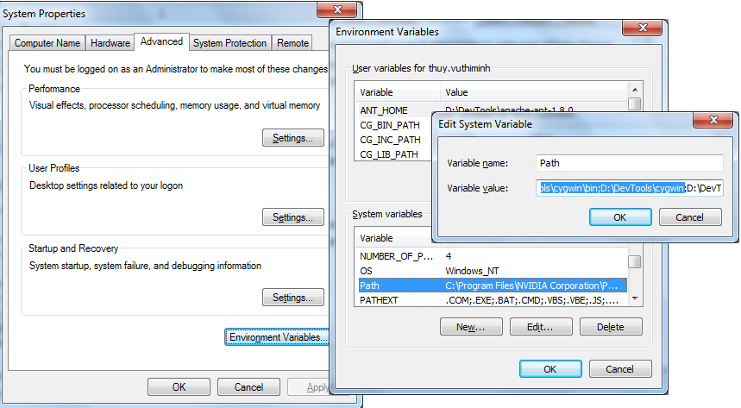

Not recommend to copy cygwin1.dll to C:\Windows\System32

Bookmark
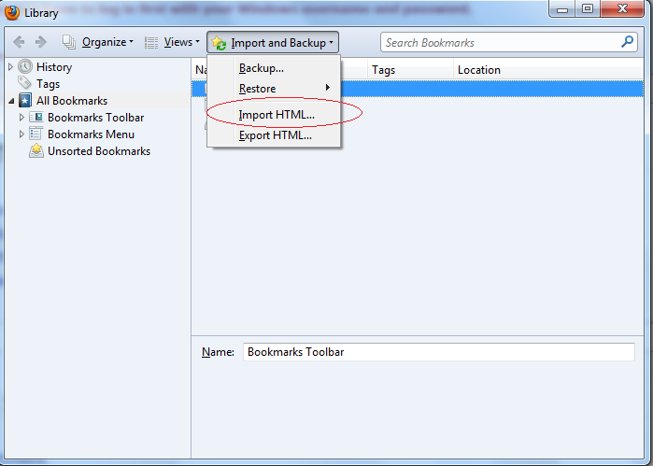
2. BOOK MARK

2.1 Add some important addresses of Gameloft to your Bookmarks

For Firefox:

Step 1: | Choose the page you want to add bookmark then click into "star" button
Step 2: | See all your book mark links there

Book mark table links:
Gameloft OTA test side |  |  | https://test.gameloft.net/ota/login.php
Sai wiki |  |  | https://wiki-sai.gameloft.org
TKDB |  |  | https://auth.gameloft.org/
Gameloft IGP get link |  |  | http://ingameads.gameloft.com/admin/getlinks.php
Gameloft wiki |  |  | https://wiki.gameloft.org/twiki/bin/view
Bugbase |  |  | https://qadb.gameloft.org

2.2 Or you can Import bookmark from a html file
Bookmark file: |  | \\sai-data01\Documents\Specialized\Programming\Training\01. MegaTraining\Basic\Bookmark.html

For Firefox: Bookmarks ==>Show all Bookmarks ==> Import and Backup ==> Import HTML

Add plugin
4. PLUG IN TO INSTALL

No. | Plug in | Into Tool | How to do?
1 | Beyond Compare | TortoiseSVN | Purpose: to use BeyondCompare or Winmerge instead of default view of SVN From any folder -> TortoiseSVN -> Settings, add 2 below lines: To Diff Viewer: C:\Program Files\Beyond Compare 2\BC2.exe %base %mine To Merge Tool: C:\Program Files\Beyond Compare 2\BC2.exe %theirs %mine /mergeoutput=%merged Note: I suppose that Notepad++ is installed in C:\Program Files
2 | Win Merge | TortoiseSVN | We recommend you to use Beyond Compare. But in case you want to use Win merge, just change the content like this: To Diff Viewer: C:\Program Files\WinMerge\WinMergeU.exe -e -ub -dl %bname -dr %yname %base %mine To Merge Tool: C:\Program Files\WinMerge\WinMergeU.exe -e -ub -dl %bname -dr %yname %theirs %mine %merged Note: I suppose that Notepad++ is installed in C:\Program Files | 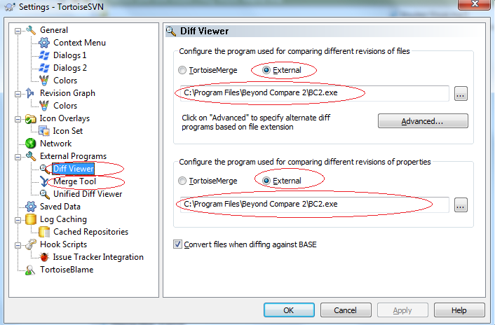
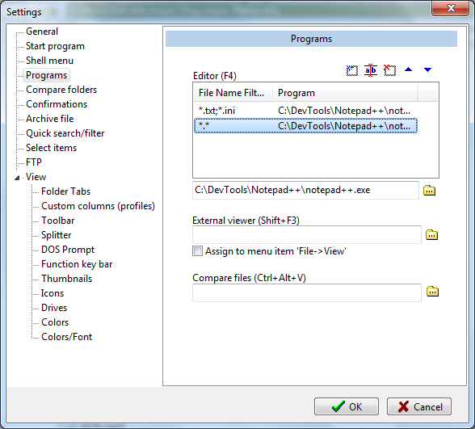

3 | Notepad++ | Free Commander | Purpose: to press F4 to open any file by notepad++ Go to Extras -> Settings -> Choose notepad++ to edit your files (both in *.txt, *.ini and *.*) (see below snap)

4 | Function view | Notepad++ | Purpose: To see the function viewer in right collume of Notepad++ Go to: \\sai-data01\Softwares\Development\CodeEditor\Notepad++\plugins Copy file: FunctionList.dll to plugins folder of your Notepad++ Ex: C:\DevTools\Notepad++\plugins

Email configuration
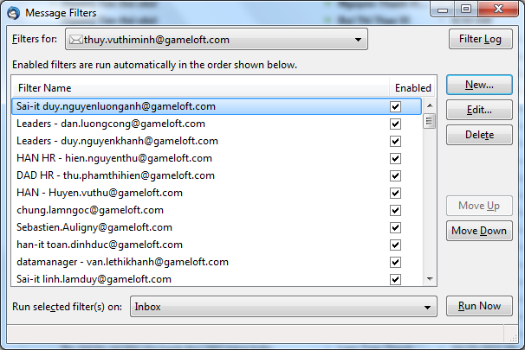
Email configuration

1. Put your reply above other qoute
 | Tools -> Account Settings …

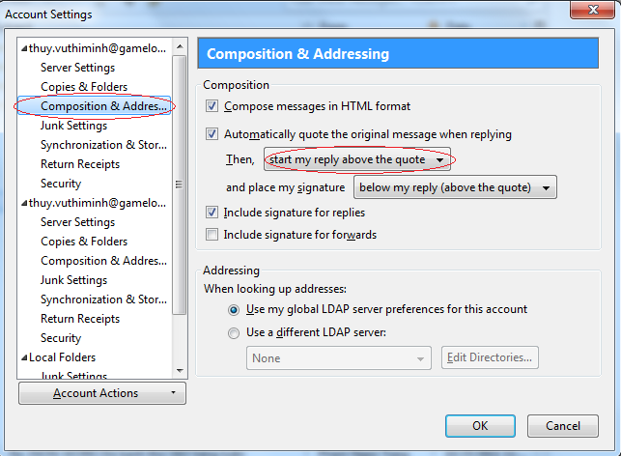

2. Create your individual signal
 | Tools -> Account Settings …
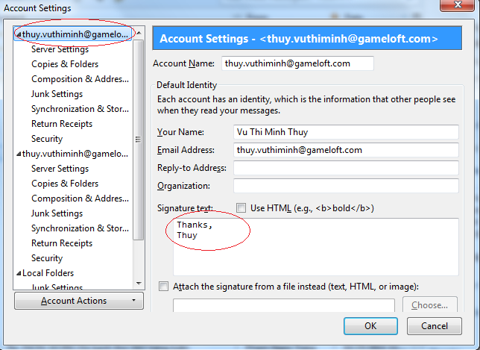

3. To display others' reply / your reply content "inline" instead of "attachment"
 | Purpose: you can see all before contents in email without opening it as attachment.
 | Tools -> Options
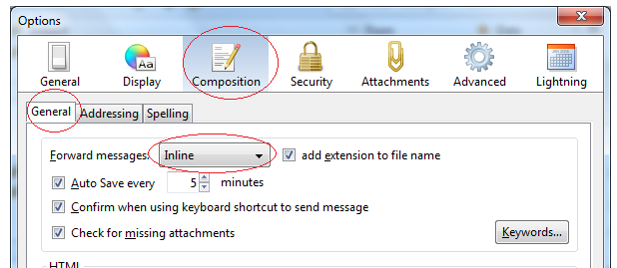

4. To send your email without reminding "type of context"
 | Tools -> Options
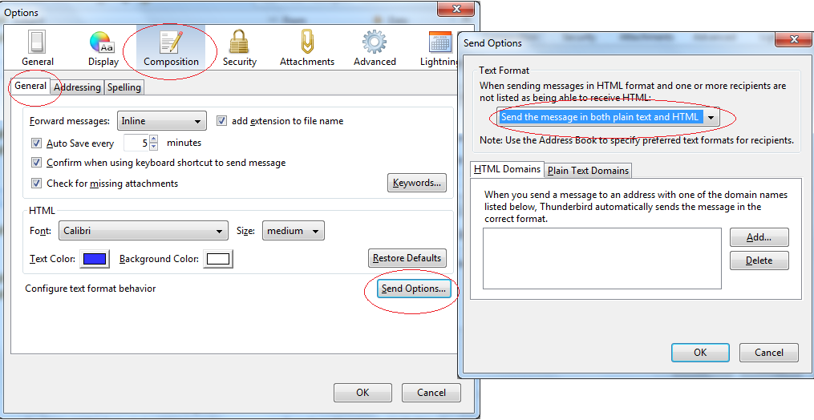

5. Create your filter to use email effectively
 | Tools -> Messages filters -> …

